Spec.
SUBJECT |  | Equipment CIM Data Mapping
 |  | Doc. No. : | CIM Equipment spec.

Equipment |  | 【營錡酸洗】
Data Concentrator |  | 【Loader】

Equipment Report Data

n+15
…...
…...
n+14
n+13
n+12
n+3
n+2
n+1
n+0
n+255
…...
…...
n+254
n+253
n+252
n+243
n+242
n+241
n+240
 | （Network Parameter ） |  | PLC Area
 |  |  | Points | Begin | End
 | Common | Data | 200 | DM10000 | DM10199
 | Loader | Data | 480 | DM11000 | DM11479
 | Pickling | Data | 150 | DM12000 | DM12149
 | Unloader | Data | 440 | DM13000 | DM13439

Flow
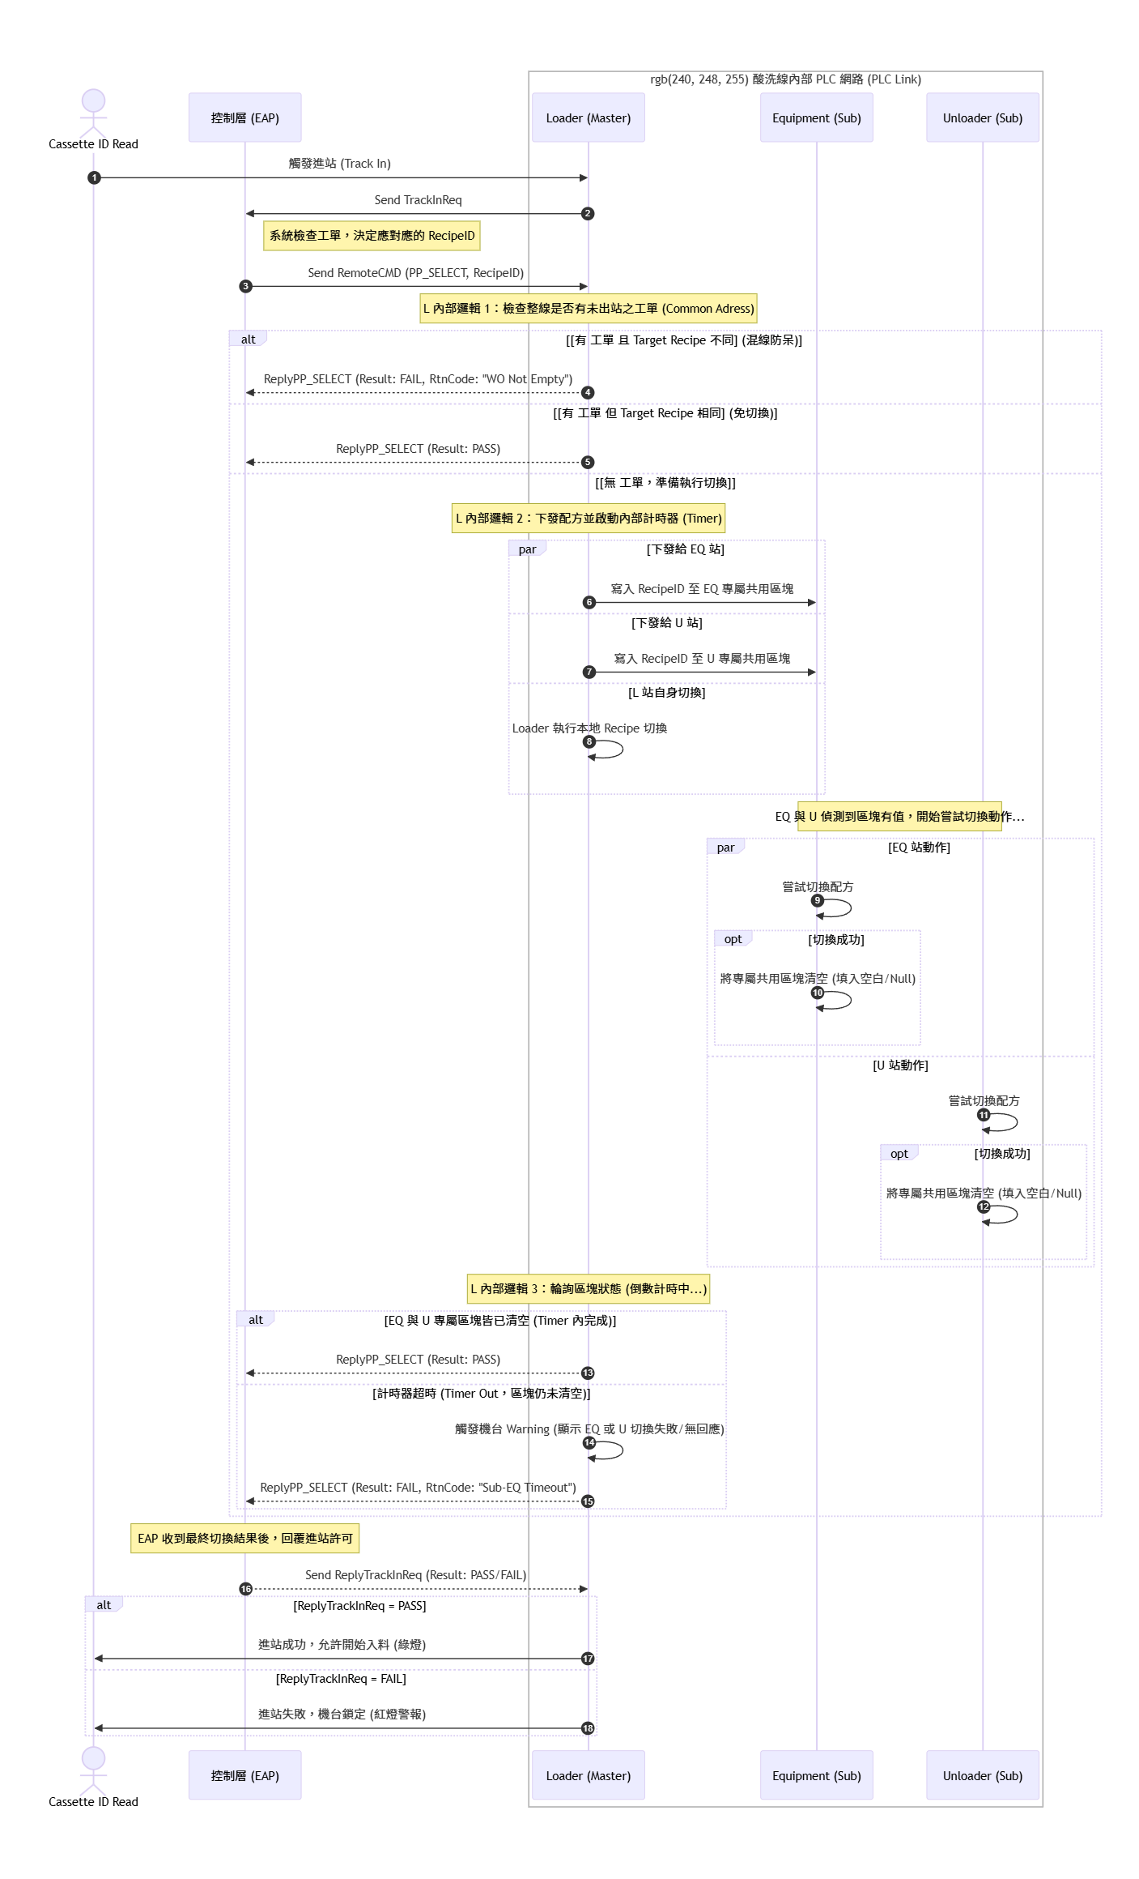
PP_SELECT Internal Flow

